HoangPhat
CÔNG TY CP THƯƠNG MẠI DỊCH VỤ HOÀNG PHÁT QUẢNG NINH
Mã số thuế: 5701775861
Địa chỉ: Tổ 6, Khu 4, P.Bãi Cháy, Tp. Hạ Long, Quảng Ninh

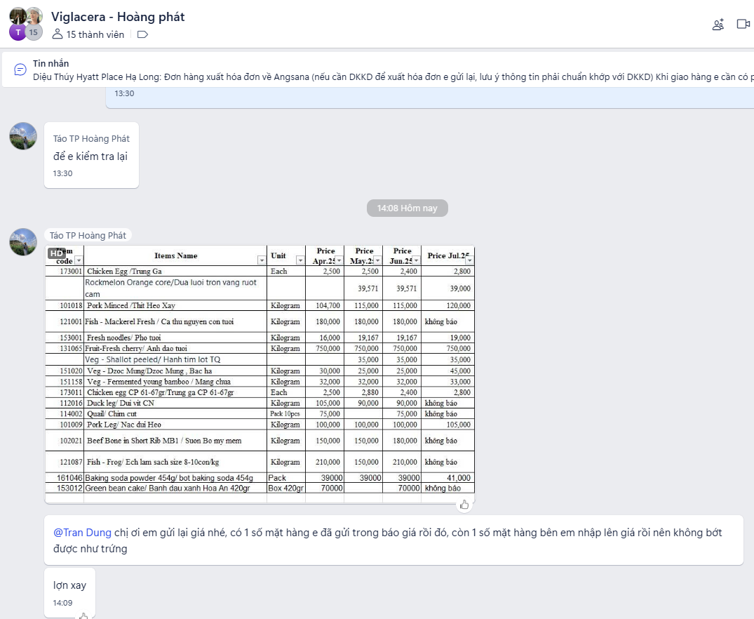
BẢNG BÁO GIÁ THÁNG 07/2025
Kính gửi: ANGSANA QUAN LẠN HẠ LONG BAY HOTEL & RESORT –
CHI NHÁNH CÔNG TY CỔ PHẦN VIGLACERA VÂN HẢI
Công ty CP thương mại dịch vụ Hoàng Phát Quảng Ninh xin trân trọng báo giá các sản phẩm sau:
STT | ID | Article Number | Article Name | Purchase Unit | Price new | Ghi chú
1 | 520 |  | Baking soda powder 454g/ bot baking soda 454g | pack 454gr | 41,000 |  | Baking soda powder 454g/ bot baking soda 454g
2 | 494 | 102126 | Beef-Dry beef /bag/ Bo Kho | Kilogram | 185,000 |  | Beef-Dry beef /bag/ Bo Kho
3 | 3418 |  | Black Glass Jelly 50g/suong sao den 50g | Pack 50gr | 19,500 |  | Black Glass Jelly 50g/suong sao den 50g
4 | 484 |  | Chinese Jujube apple /Tao do kho | Kilogram | 95,000 |  | Chinese Jujube apple /Tao do kho
5 | 487 |  | Cream Anchor - Extra Yield Cook 12X1L/ Hộp Kem nau Anchor 1 | Btl 1 Liter | 178,000 |  | Cream Anchor - Extra Yield Cook 12X1L/ Hộp Kem nau Anchor 1
6 | 493 |  | Cream pump bag/ Tui bom kem | Kilogram | 132,000 |  | Cream pump bag/ Tui bom kem
7 | 505 |  | Dried shitake mushroom dried/Nam Huong | Kilogram | 310,000 |  | Dried shitake mushroom dried/Nam Huong
8 | 2381 |  | Dry Good Cracker Prawn / Phong Tom 100gr | Pack 100gr | 8,000 |  | Dry Good Cracker Prawn / Phong Tom 100gr
9 | 501 | 123145 | Fish Flies/ Ca ruoi | Kilogram | 125,000 |  | Fish Flies/ Ca ruoi
10 | 491 |  | Fresh milk 1 liter anchor without sugar/ Sua tuoi 1l anchor | Bottle 1000ml | 44,000 |  | Fresh milk 1 liter anchor without sugar/ Sua tuoi 1l anchor
11 | 498 | 123141 | Fresh Shrimp-Shrimp Mantis Lv 15-17 Pcs/Kg/ BE BE | Kilogram |  |  | Fresh Shrimp-Shrimp Mantis Lv 15-17 Pcs/Kg/ BE BE
12 | 495 | 121106 | Freshwater plaice/ Ca chim nuoc ngot nguyen con | Kilogram | 68,000 |  | Freshwater plaice/ Ca chim nuoc ngot nguyen con
13 | 486 | 124005 | Fried fish grilled chopped fish/ Cha ca | Kilogram | 75,000 |  | Fried fish grilled chopped fish/ Cha ca
14 | 458 | 131121 | Fruit-Fru Kumquat/ trai quat | Kilogram | 30,000 |  | Fruit-Fru Kumquat/ trai quat
15 | 457 | 131120 | Fruit-Fru Watermelon round/Dua Hau Đo Tron | Kilogram | 13,500 |  | Fruit-Fru Watermelon round/Dua Hau Đo Tron
16 | 1957 |  | Ground pepper/ tieu xay | Kilogram | 245,000 |  | Ground pepper/ tieu xay
17 | 496 | 121107 | Local gourami fish/ Ca duc dia phuong | Kilogram | 135,000 |  | Local gourami fish/ Ca duc dia phuong
18 | 425 | 152048 | Nut Lotus Seed Dried/ Hat Sen Kho | Kilogram | 235,000 |  | Nut Lotus Seed Dried/ Hat Sen Kho
19 | 3212 |  | Oil Sesame Meizan 250ML/Dau me thom Meizan 250ml | Bottle 250ml | 65,000 |  | Oil Sesame Meizan 250ML/Dau me thom Meizan 250ml
20 | 497 | 121108 | Perch/ Ca ro | Kilogram | 75,000 |  | Perch/ Ca ro
21 | 485 | 105009 | Pork-Bacon/ Ba chi xong khoi | Kilogram | 352,000 |  | Pork-Bacon/ Ba chi xong khoi
22 | 506 |  | Powder Crispy Tai Ky VN 1Kg/ Bot Chien Gion VN 1Kg | Pack 1kg | 45,000 |  | Powder Crispy Tai Ky VN 1Kg/ Bot Chien Gion VN 1Kg
23 | 488 |  | Socola chip 2.5kg/ Socola chip 2.5kg | Pack 2.5kg | 405,000 |  | Socola chip 2.5kg/ Socola chip 2.5kg
24 | 511 |  | Sugar Rock/ duong phen | Kilogram | 45,000 |  | Sugar Rock/ duong phen
25 | 464 | 151204 | Veg Herb Rosemary/ cay huong thao | Kilogram | 405,000 |  | Veg Herb Rosemary/ cay huong thao
26 | 465 | 151205 | Veg Thyme/ co xa huong | Kilogram | 500,000 |  | Veg Thyme/ co xa huong
27 | 490 |  | White socola bars 2kg w 07/ Socola thanh trang 2kg w 07 | Pack 2kg | 308,000 |  | White socola bars 2kg w 07/ Socola thanh trang 2kg w 07
28 | 502 |  | Yellow Corn/ ngo vang | Kilogram | 24,000 |  | Yellow Corn/ ngo vang
29 | 525 |  | "Phen" bien hoa sugar 1kg/Duong phen bien hoa 1kg | Pack 1kg | 41,000 |  | "Phen" bien hoa sugar 1kg/Duong phen bien hoa 1kg
30 | 2980 |  | Almond Powder 1kg/ Bot hanh nhan 1kg | Pack 1kg | 368,000 |  | Almond Powder 1kg/ Bot hanh nhan 1kg
31 | 509 |  | Almond Powder/ hanh nhan bot | Kilogram | 368,000 |  | Almond Powder/ hanh nhan bot
32 | 508 |  | Almond Slice VN 1kg/ hanh nhan lat VN | Pack 1kg | 328,000 |  | Almond Slice VN 1kg/ hanh nhan lat VN
33 | 514 |  | Anchor milk cream 1l (whipping cream)/ Kem sua anchor 1l | Box 1Liter | 170,000 |  | Anchor milk cream 1l (whipping cream)/ Kem sua anchor 1l
34 | 513 |  | Anchor unsalted creamy butter (4x5kg)/ Bo lat anchor khoi | Pack 5kg | 1,320,000 |  | Anchor unsalted creamy butter (4x5kg)/ Bo lat anchor khoi
35 | 2563 |  | Apple / Tao Fuji NK Nam Phi (5-6 pcs/kg) | Kilogram | 95,000 |  | Apple / Tao Fuji NK Nam Phi (5-6 pcs/kg)
36 | 2445 |  | Australian Orange/ Cam vang Uc 5trai/1kg | Kilogram | 85,000 |  | Australian Orange/ Cam vang Uc 5trai/1kg
37 | 478 |  | Baking powder 1kg/ Bot noi lam banh baking powder 1kg | Box 1kg | 71,500 |  | Baking powder 1kg/ Bot noi lam banh baking powder 1kg
38 | 332 | 152001 | Bean Black / Hat Dau den | Kilogram | 74,000 |  | Bean Black / Hat Dau den
39 | 334 | 152004 | Beans Green W/O Cover/Dau Xanh Boc Vo | Kilogram | 49,000 |  | Beans Green W/O Cover/Dau Xanh Boc Vo
40 | 155 | 102001 | Beef Bone Tube/ Xuong Ong Bo | Kilogram | 53,000 |  | Beef Bone Tube/ Xuong Ong Bo
41 | 183 | 102027 | Beef Brisket Point End / Nac gau bo DL | Kilogram | 250,000 |  | Beef Brisket Point End / Nac gau bo DL
42 | 158 | 102004 | Beef Brisket/Gau Bo | Kilogram | 240,000 |  | Beef Brisket/Gau Bo
43 | 1767 |  | Beef Dried/Kho bo soi loai 2 | Kilogram | 160,000 |  | Beef Dried/Kho bo soi loai 2
44 | 156 | 102002 | Beef Flank Local/Nam Bo | Kilogram | 180,000 |  | Beef Flank Local/Nam Bo
45 | 160 | 102006 | Beef Ground/ Thit Bo xay | Kilogram | 260,000 |  | Beef Ground/ Thit Bo xay
46 | 162 | 102011 | Beef Local Rump / Thit mong bo qua tron | Kilogram | 238,000 |  | Beef Local Rump / Thit mong bo qua tron
47 | 182 | 102026 | Beef Minced / Nac bo xay DL | Kilogram | 180,000 |  | Beef Minced / Nac bo xay DL
48 | 163 | 102020 | Beef Rib US Frozen / Suon bo my DL | Kilogram | 370,000 |  | Beef Rib US Frozen / Suon bo my DL
49 | 165 | 105001 | Beef Rolls/Cha Bo | Kilogram | 315,000 |  | Beef Rolls/Cha Bo
50 | 3790 |  | Beef Short Plate/ Ba Chi Bo My DL | Kilogram | 245,000 |  | Beef Short Plate/ Ba Chi Bo My DL
51 | 2754 |  | Beef Short Rib Bone In/ Suon non Bo Co Xuong | Kilogram | 340,000 |  | Beef Short Rib Bone In/ Suon non Bo Co Xuong
52 | 159 | 102005 | Beef Tenderloin Local/Thit Bo Fillet | Kilogram | 280,000 |  | Beef Tenderloin Local/Thit Bo Fillet
53 | 157 | 102003 | Beef Thigh Local / Bap bo hoa tron | Kilogram | 215,000 |  | Beef Thigh Local / Bap bo hoa tron
54 | 503 | 102057 | Beef-Heel Muscle/Bap hoa | Kilogram | 215,000 |  | Beef-Heel Muscle/Bap hoa
55 | 1954 |  | Bile leaf/ La moc mat | Kilogram | 30,000 |  | Bile leaf/ La moc mat
56 | 3210 |  | Bread Crumbs 1Kg Panko/ Bot chien 1Kg Panko | Pack 1kg | 64,000 |  | Bread Crumbs 1Kg Panko/ Bot chien 1Kg Panko
57 | 1786 |  | Bread Soffti/ Banh Mi tuoi Soffti 50gr | Each | 7,000 |  | Bread Soffti/ Banh Mi tuoi Soffti 50gr
58 | 516 |  | Charcoal/ Than cui | Kilogram | 20,000 |  | Charcoal/ Than cui
59 | 504 |  | Chia Seed/ Hat chia | Kilogram | 198,000 |  | Chia Seed/ Hat chia
60 | 178 | 111014 | Chicken Bone/Xuong Ga | Kilogram | 29,000 |  | Chicken Bone/Xuong Ga
61 | 172 | 111003 | Chicken Drumstick Boneless/Dui Ga khong Xuong | Kilogram | 98,000 |  | Chicken Drumstick Boneless/Dui Ga khong Xuong
62 | 434 |  | Chicken Drumstick/Dui toi Ga (4-5c/kg) | Kilogram | 68,000 |  | Chicken Drumstick/Dui toi Ga (4-5c/kg)
63 | 152 | 173001 | Chicken Egg /Trung Ga | Each | 2,800 |  | Chicken Egg /Trung Ga
64 | 433 | 173011 | Chicken egg CP 61-67gr/Trung ga CP 61-67gr | Each | 2,800 |  | Chicken egg CP 61-67gr/Trung ga CP 61-67gr
65 | 175 | 111007 | Chicken Fillet breast/ Uc ga fillet | Kilogram | 78,000 |  | Chicken Fillet breast/ Uc ga fillet
66 | 171 | 111002 | Chicken Leg Quarter/Dui Ga Goc Tu | Kilogram | 57,000 |  | Chicken Leg Quarter/Dui Ga Goc Tu
67 | 436 |  | Chicken Mid Wings/Canh ga khuc giua DL | Kilogram | 99,000 |  | Chicken Mid Wings/Canh ga khuc giua DL
68 | 177 | 111012 | Chicken Whole Clean/ Ga trong lam sach (ga ta) | Kilogram | 102,000 |  | Chicken Whole Clean/ Ga trong lam sach (ga ta)
69 | 176 | 111011 | Chicken Whole VN/Ga Ta nguyen Con lam sach 1.4kg/con | Kilogram | 102,000 |  | Chicken Whole VN/Ga Ta nguyen Con lam sach 1.4kg/con
70 | 173 | 111004 | Chicken Wings Indus/Canh Ga Cong Nghiep | Kilogram | 82,000 |  | Chicken Wings Indus/Canh Ga Cong Nghiep
71 | 435 | 111022 | Chicken Wings, 3 joints/ Canh ga dong lanh | Kilogram | 72,000 |  | Chicken Wings, 3 joints/ Canh ga dong lanh
#REF! | 3644 |  | Chinese medicine/ Thuoc Bac | Each | 10,000 |  | Chinese medicine/ Thuoc Bac
#REF! | 167 | 105003 | Cinamon pork steam / Cha que | Kilogram | 138,000 |  | Cinamon pork steam / Cha que
#REF! | 2565 |  | Cinnamon Bamboo Toothpicks/Tam tre | Each | 6,000 |  | Cinnamon Bamboo Toothpicks/Tam tre
#REF! | 2319 |  | Cinnamon/Que cay dang cuon | Kilogram | 180,000 |  | Cinnamon/Que cay dang cuon
#REF! | 336 | 152011 | Coconut Cream Wonderfarm 400ml/Nuoc Cot Dua | Can 400ml | 27,500 |  | Coconut Cream Wonderfarm 400ml/Nuoc Cot Dua
#REF! | 400 | 131080 | Coconut/ Dua xiem | Each | 30,000 |  | Coconut/ Dua xiem
#REF! | 184 |  | Coffee G7 / Cafe G7 hoa tan den (Box 2grx50pcs) | Box 50pcs | 149,000 |  | Coffee G7 / Cafe G7 hoa tan den (Box 2grx50pcs)
#REF! | 455 |  | Coffee G7 3 in 1 / Cafe G7 3 trong 1 (Box 21pcs) | Box 21pcs | 88,000 |  | Coffee G7 3 in 1 / Cafe G7 3 trong 1 (Box 21pcs)
#REF! | 2442 |  | Dong Trieu sticky rice/ Gao nep Dong Trieu | Kilogram | 40,000 |  | Dong Trieu sticky rice/ Gao nep Dong Trieu
#REF! | 2870 |  | dried Iron shrimp/Tom sat kho | Kilogram | 650,000 |  | dried Iron shrimp/Tom sat kho
#REF! | 335 | 152006 | Dried Shallot/Hanh phi Kho | Kilogram | 150,000 |  | Dried Shallot/Hanh phi Kho
#REF! | 1771 |  | Dried shrimps/ Tep kho | Kilogram | 145,000 |  | Dried shrimps/ Tep kho
#REF! | 3593 |  | Duck Breast fresh / Uc vit tuoi | Kilogram | 225,000 |  | Duck Breast fresh / Uc vit tuoi
#REF! | 3244 |  | Duck removes neck and legs/ Vit bo co va chan | Kilogram | 104,000 |  | Duck removes neck and legs/ Vit bo co va chan
#REF! | 181 | 112001 | Duck whole 2.2 - 3kg/pcs/ vit nguyen con lam sach | Kilogram | 82,000 |  | Duck whole 2.2 - 3kg/pcs/ vit nguyen con lam sach
#REF! | 1790 |  | Fami soy milk 220ml/ Sua dau nanh Fami | Each | 5,500 |  | Fami soy milk 220ml/ Sua dau nanh Fami
#REF! | 1950 |  | Fish - Anabas Clenned / Ca ro lam sach 4-5con/kg | Kilogram | 112,000 |  | Fish - Anabas Clenned / Ca ro lam sach 4-5con/kg
#REF! | 320 | 121047 | Fish - Cobia fresh Fillet/ Ca bop Fillet tuoi 1.8-2kg/mieng | Kilogram | 850,000 |  | Fish - Cobia fresh Fillet/ Ca bop Fillet tuoi 1.8-2kg/mieng
#REF! | 2119 |  | Fish - Cut salmon/ Ca hoi cat ĐL | Kilogram | 110,000 |  | Fish - Cut salmon/ Ca hoi cat ĐL
#REF! | 323 |  | Fish - Naked Catfish / Ca lang | Kilogram | 185,000 |  | Fish - Naked Catfish / Ca lang
#REF! | 2722 |  | Fish - Pangasius kunyit Sliced/Ca dua cat lat 150-160g/mieng | Kilogram | 95,000 |  | Fish - Pangasius kunyit Sliced/Ca dua cat lat 150-160g/mieng
#REF! | 2869 |  | Fish - Plier fish/ Kim khuc ĐL | Kilogram | 90,000 |  | Fish - Plier fish/ Kim khuc ĐL
#REF! | 312 | 121004 | Fish - Pompano / Ca nuc | Kilogram | 65,000 |  | Fish - Pompano / Ca nuc
#REF! | 313 | 121005 | Fish - Red Talapia/ Ca Dieu Hong song | Kilogram | 85,000 |  | Fish - Red Talapia/ Ca Dieu Hong song
#REF! | 316 | 121010 | Fish - Scad / Ca bac ma | Kilogram | 80,000 |  | Fish - Scad / Ca bac ma
#REF! | 322 | 121059 | Fish - Scad cleaned / Ca bac ma lam sach | Kilogram | 75,000 |  | Fish - Scad cleaned / Ca bac ma lam sach
#REF! | 2099 |  | Fish - Seabass fresh fillet/ Ca chem fillet tuoi 600-700gr/m | Kilogram | 280,000 |  | Fish - Seabass fresh fillet/ Ca chem fillet tuoi 600-700gr/m
#REF! | 315 | 121008 | Fish - Snapper fresh/ Ca hong bien nguyen con 2-3kg/con | Kilogram | 240,000 |  | Fish - Snapper fresh/ Ca hong bien nguyen con 2-3kg/con
#REF! | 2118 |  | Fish - Tuna/ Ca ngu lam sach 3-4kg/con | Kilogram | 70,000 |  | Fish - Tuna/ Ca ngu lam sach 3-4kg/con
#REF! | 1803 |  | Fish "Phen"/ Ca phen | Kilogram | 85,000 |  | Fish "Phen"/ Ca phen
#REF! | 326 | 121098 | Fish / Lutjanidae / Ca hong 0.8g-1kg/con | Kilogram | 200,000 |  | Fish / Lutjanidae / Ca hong 0.8g-1kg/con
#REF! | 2101 |  | Five spice powder/ Ngu vi huong | Each | 2,000 |  | Five spice powder/ Ngu vi huong
#REF! | 476 |  | Food Covering (PVC film) 45cm x 618m/ Mang Boc TP (Mang PVC) | Each | 360,000 |  | Food Covering (PVC film) 45cm x 618m/ Mang Boc TP (Mang PVC)
#REF! | 166 | 105002 | Fried pork bologna/Cha Lua Chien | Kilogram | 138,000 |  | Fried pork bologna/Cha Lua Chien
#REF! | 2866 |  | fried sausage/ Gio xao | Kilogram | 140,000 |  | fried sausage/ Gio xao
#REF! | 2291 |  | Frog legs/ Dui ech ĐL | Kilogram | 115,000 |  | Frog legs/ Dui ech ĐL
#REF! | 2244 |  | frozen abalone/ Bao ngu ĐL size 10-12 | Kilogram | 440,000 |  | frozen abalone/ Bao ngu ĐL size 10-12
#REF! | 180 | 111024 | Frozen Chicken Leg Quarter/ Dui ga goc tu DL My | Kilogram | 68,000 |  | Frozen Chicken Leg Quarter/ Dui ga goc tu DL My
#REF! | 179 | 111018 | Frozen Chicken Thigh Meat Skinless/ Thit dui ga khong da DL | Kilogram | 100,000 |  | Frozen Chicken Thigh Meat Skinless/ Thit dui ga khong da DL
#REF! | 174 | 111005 | Frozen Chicken wings / Canh ga dong lanh | Kilogram | 72,000 |  | Frozen Chicken wings / Canh ga dong lanh
#REF! | 418 | 131103 | Fru Banana Huong/Chuoi Huong | Kilogram | 33,000 |  | Fru Banana Huong/Chuoi Huong
#REF! | 422 | 131111 | Fru Coconut old Clean/Dua gia tuoi got sach | Kilogram | 27,000 |  | Fru Coconut old Clean/Dua gia tuoi got sach
#REF! | 409 |  | Fru Dragon Big 600gr Up/Pc/Thanh long qua to | Kilogram | 48,000 |  | Fru Dragon Big 600gr Up/Pc/Thanh long qua to
#REF! | 408 |  | Fru Dragon Fruit White Core/Thanh Long Trang | Kilogram | 36,000 |  | Fru Dragon Fruit White Core/Thanh Long Trang
#REF! | 417 | 131102 | Fru Grape Black Import/Nho Den Nhap Khau | Kilogram | 290,000 |  | Fru Grape Black Import/Nho Den Nhap Khau
#REF! | 2830 |  | Fru Grape Green seedless/Nho Xanh khong hat | Kilogram | 230,000 |  | Fru Grape Green seedless/Nho Xanh khong hat
#REF! | 2977 |  | Fru Green Banana/Chuoi xanh | Kilogram | 16,000 |  | Fru Green Banana/Chuoi xanh
#REF! | 2976 |  | Fru Guava White Core/Oi Le ruot trang | Kilogram | 28,000 |  | Fru Guava White Core/Oi Le ruot trang
#REF! | 411 | 131090 | Fru Mango Cat Chu (grade 2)/Xoai Cat Chu | Kilogram | 50,000 |  | Fru Mango Cat Chu (grade 2)/Xoai Cat Chu
#REF! | 412 | 131091 | Fru Mango Hoa Loc (grade 1)/Xoai Hoa Loc | Kilogram | 65,000 |  | Fru Mango Hoa Loc (grade 1)/Xoai Hoa Loc
#REF! | 413 | 131093 | Fru Mango Keo yellow (grade 3)/Xoai keo vang | Kilogram | 33,000 |  | Fru Mango Keo yellow (grade 3)/Xoai keo vang
#REF! | 2975 |  | Fru Pomelo Pink/Buoi Hong Da xanh | Kilogram | 60,000 |  | Fru Pomelo Pink/Buoi Hong Da xanh
...

